TestCase
Test Case Template for Project
Project Name
Module Name | Courses
Created By
Created Date | 4-Jan-2025
Peer Review By
Peer Reviewed Date

Test Case ID | Scenario Name | Scenario Desciption | Pre Condition | Steps to Execute | Actual Result | Type of Scenario | Priority | Screenshots | Test Environment | Misc (Comments) | Executed QA Name | Last Modified Date
TC-ACV0001 | Login | Successful login. | Using credentials username- admin@emeritus.org password- admin@123 | Prefer Login test case. | Prefer Login test case. | Positive | P1 |  | Staging Environment
TC-ACV0002 | Courses | Displayed courses list. | The Courses are available. | Prefer Admin Sidebar Courses menu test case. | Prefer Admin Sidebar Courses menu test case. | Positive | P1 | 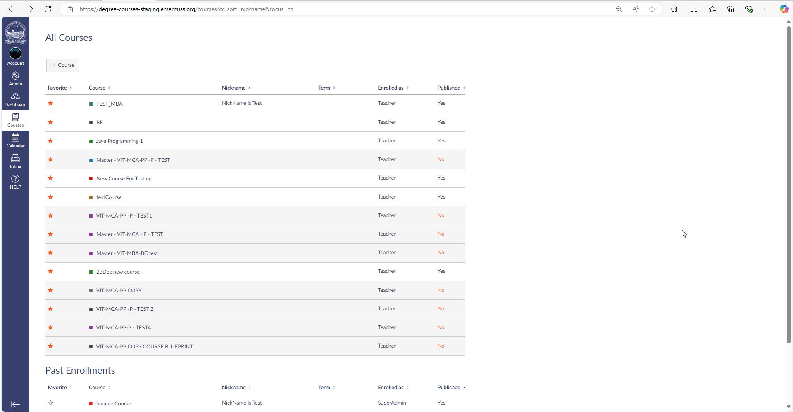 | Staging Environment
TC-ACV0003 | Courses | View umbrella course. | The umbrella Courses are available. | 1. Tests TC-ACV0001 and TC-ACV0002 have been successfully completed. 2. Click on the umbrella course name. | 1. The course name should be visible on the top novbar. 2. If the user set nickname of the course then should be displaye top-navbar instead of course name. 3. The page should be redirect on the as default. 4. Highlited filed should be clickable in screenshot. | Positive | P1 | 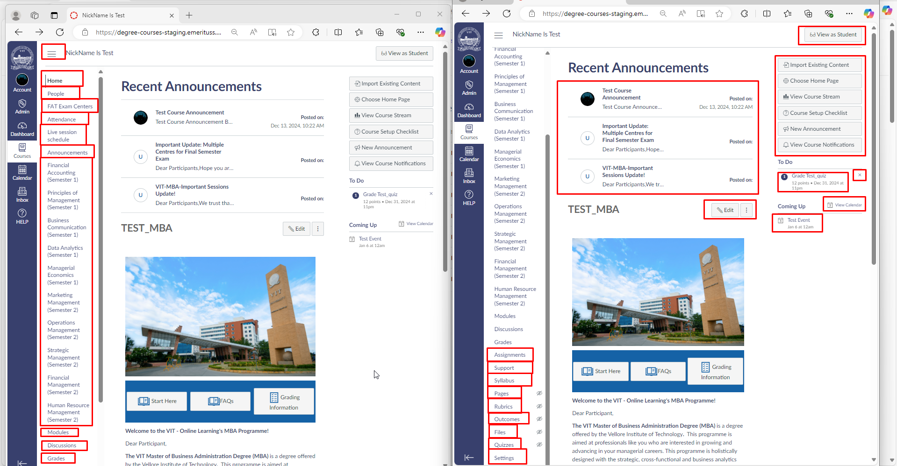 | Staging Environment
TC-ACV0004 | Courses | View child course. | The child Courses are available. | 1. Tests TC-ACV0001 and TC-ACV0002 have been successfully completed. 2. Click on the chiled course name. | 1. The course name should be visible on the top novbar. 2. If the user set nickname of the course then should be displaye top-navbar instead of course name. 3. The page should be redirect on the as default. 4. Highlited filed should be clickable in screenshot. | Positive | P1 | 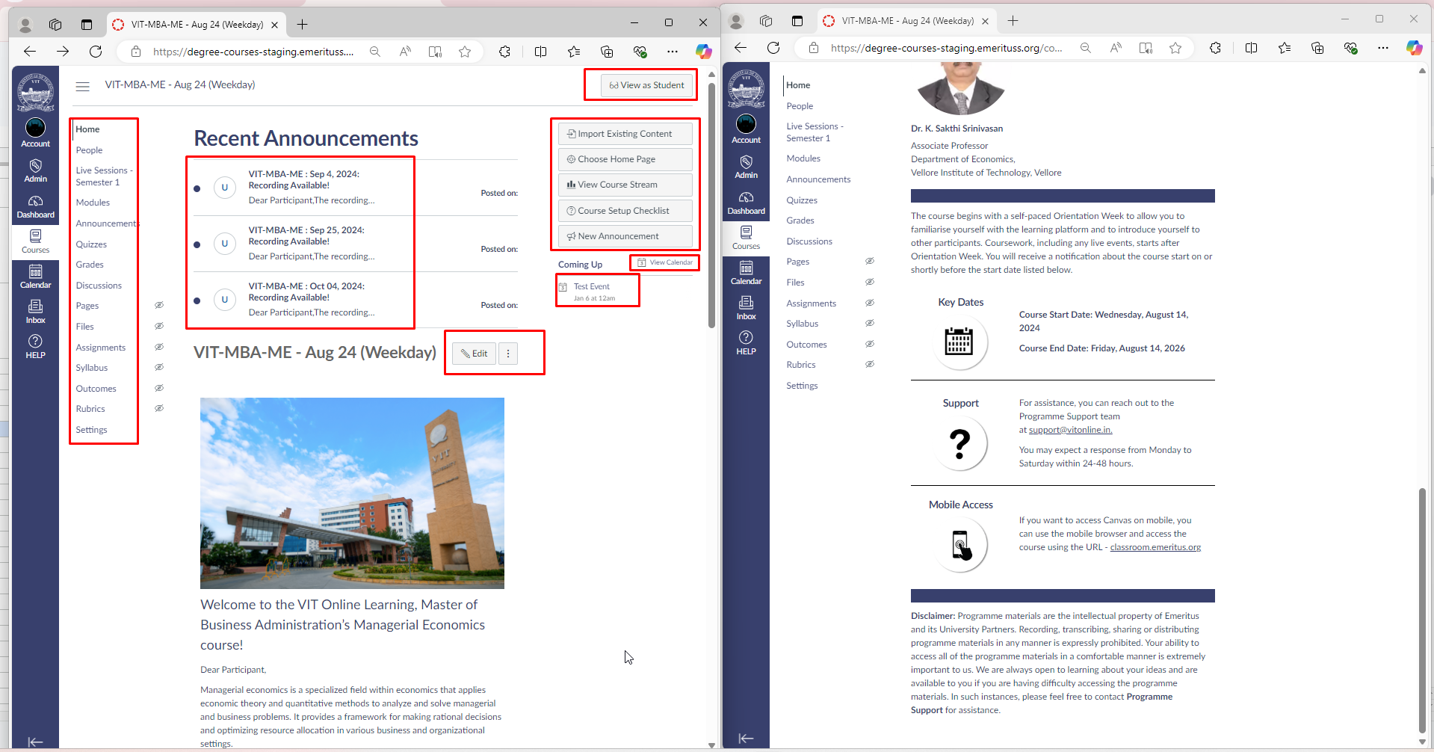 | Staging Environment

